XMLport(done)
Export and Import Customer Data via XMLport |  | DONE during ATEA Upgrade

Create an XMLport that allows exporting and importing basic customer information to and from an XML file.

Create an XMLport called CustomerDataPort.

Direction: Both ways
Use Customer table (table 18) as the data source.

Export/Import the following fields:
 | No.
 | Name
 | City
 | Phone No.

XML format should look like:

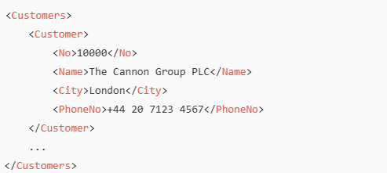

Create two Actions on the Customer List page:
 | Export Customers: Triggers export to XML file.
 | Import Customers: Triggers import from XML file.

Bonus (Optional):
Add a simple validation (e.g., skip customers with no name during import).
Allow filtering on Customer Posting Group before export.
Create an import-only copy of the xml port and change it not use table as source, but gather the data from file into some variables and only when record is fully read from the file - insert a real record in BC

